Storage Systems
System 1: Selective Pallet Racking (SPR) |  |  |  | System 2: Very Narrow Ailse (VNA) & Truck |  |  |  | System 4: Automatic Storage Retrieval System (ASRS) |  |  |  | System 5: Double Deep Racking (DDR) |  |  | System 6 Ground Storage |  |  | System 7 Drive-Through Rack |  |  | System 8 Shuttle Storage System |  |  |  | System 9 Drive-In Rack |  |  | System 11: Mobile Rack |  |  |  | System 12 High Bay Pallet Rack |  |  |  | System 13: Flow Rack |  |  |  | System 14 Shelf Rack |  |  |  | System 15 High Bay Shelf Rack |  |  |  | System 16 Bin Rack |  |  |  | System 17: Mobile Shelving |  |  |  | System 18: Vertical Carousel Storage

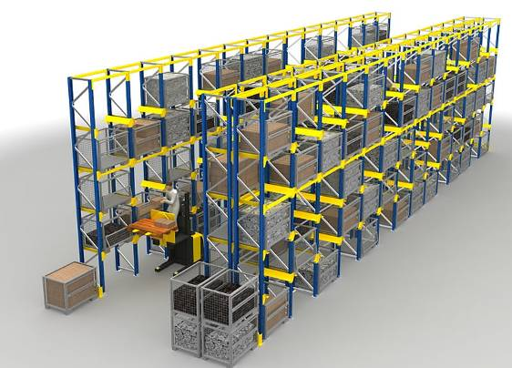
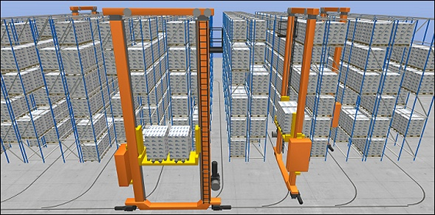
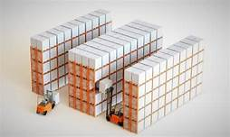
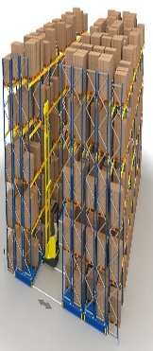
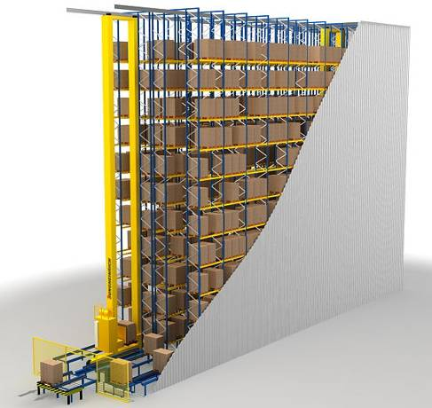
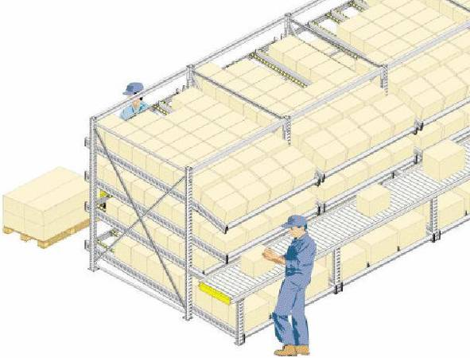
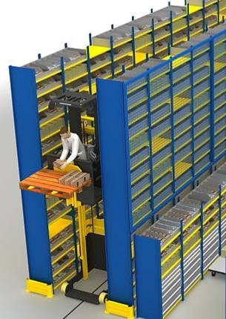
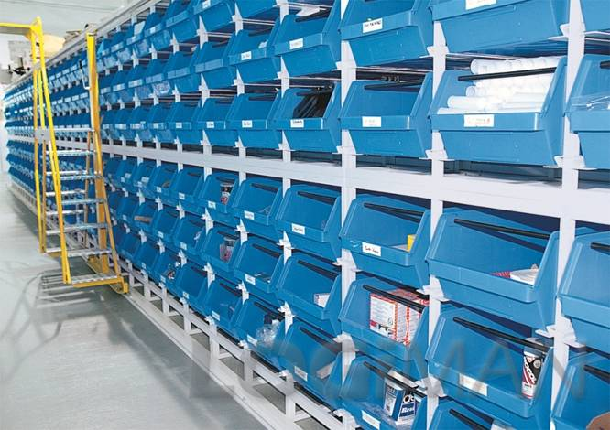
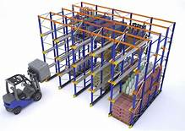

 | System Elements |  |  |  | System Elements |  |  |  | System Elements |  |  |  |  |  | System Elements |  |  | System Elements |  |  |  | System Elements |  |  | System Elements |  |  |  | System Elements |  |  |  | System Elements |  |  |  | System Elements |  |  |  | System Elements |  |  |  | System Elements |  |  |  | System Elements |  |  |  | System Elements |  |  |  | System Elements
 | 0 |  |  |  |  |  |  |  |  |  |  |  |  |  |  |  |  | 0 |  |  |  | 0 |  |  | 0 |  |  |  | 0 |  |  |  | 0 |  |  |  | 0 |  |  |  | 0 |  |  |  | 0 |  |  |  | 0 |  |  |  | 0 |  |  |  | 0
 | Storage system: | Pallet rack, wide-aisle, single-depth |  |  | Storage system: | Pallet rack, narrow aisle, single-depth |  |  | Storage system: | Automated storage and retrieval system |  |  | Storage system: | Double Deep | Storage system: | Ground line storage, unstacked |  | Storage system: | Drive-through rack |  |  | Storage system: | Shuttle storage system with aisles |  | Storage system: | Drive-in rack |  |  | Storage system: | Mobile pallet rack |  |  | Storage system: | High bay rack, single-deep |  |  | Storage system: | Carton Flow Rack |  |  | Storage system: | Shelf rack |  |  | Storage system: | Shelf rack |  |  | Storage system: | Bin rack |  |  | Storage system: | Mobile shelf rack |  |  | Storage system: | Circulating shelf storage
 | Forwarding system: | Reach Truck |  |  | Forwarding system: | Very narrow aisle truck |  |  | Forwarding system: | Automatic Cranes |  |  | Forwarding system: | Reach Truck | Forwarding system: | Forklift |  | Forwarding system: | Forklift |  |  | Forwarding system: | 1 shuttle per level + 1 traversing carriage per level + elevator + forwarding system pre zone |  | Forwarding system: | Forklift |  |  | Forwarding system: | Order picker |  |  | Forwarding system: | Reach Truck |  |  | Forwarding system: | Manual handling with conveyor belt (picker stays at his position) |  |  | Forwarding system: | Picking trolley |  |  | Forwarding system: | Order picker |  |  | Forwarding system: | Picking trolley |  |  | Forwarding system: | Order picker or Torlley |  |  | Forwarding system: | Chain conveyor
 | Picking System: | Allocation: | static |  | Picking System: | - |  |  | Picking System: | - |  |  | Picking System: |  | Picking System: | - |  | Picking System: | - |  |  | Picking System: | Allocation: | dynamic | Picking System: | - |  |  | Picking System: | Allocation: | static |  | Picking System: | - |  |  | Picking System: | Allocation: | static |  | Picking System: | Allocation: | static |  | Picking System: | Allocation: | static |  | Picking System: | Allocation: | static |  | Picking System: | Allocation: | static |  | Picking System: | Allocation: | dynamic
 |  | Movement: | two-dimensional |  |  |  |  |  |  |  |  |  |  |  |  |  |  |  |  |  |  |  | Movement: | one-dimensional |  |  |  |  |  | Movement: | two-dimensional |  |  |  |  |  |  | Movement: | one-dimensional |  |  | Movement: | one-dimensional |  |  | Movement: | two-dimensional |  |  | Movement: | two-dimensional |  |  | Movement: | two-dimensional |  |  | Movement: | one-dimensional
 |  | Goods removal: | manual |  |  |  |  |  |  |  |  |  |  |  |  |  |  |  |  |  |  |  | Goods removal: | manual |  |  |  |  |  | Goods removal: | manual |  |  |  |  |  |  | Goods removal: | manual |  |  | Goods removal: | manual |  |  | Goods removal: | manual |  |  | Goods removal: | manual |  |  | Goods removal: | manual |  |  | Goods removal: | manual
 |  | Delivery: | central |  |  |  |  |  |  |  |  |  |  |  |  |  |  |  |  |  |  |  | Delivery: | decentralized |  |  |  |  |  | Delivery: | central |  |  |  |  |  |  | Delivery: | central |  |  | Delivery: | central |  |  | Delivery: | central |  |  | Delivery: | central |  |  | Delivery: | central |  |  | Delivery: | central

 | Attributes |  |  |  | Attributes |  |  |  | Attributes |  |  |  |  |  | Attributes |  |  | Attributes |  |  |  | Attributes |  |  | Attributes |  |  |  | Attributes |  |  |  | Attributes |  |  |  | Attributes |  |  |  | Attributes |  |  |  | Attributes |  |  |  | Attributes |  |  |  | Attributes |  |  |  | Attributes

 | Storage density |  | low |  | Storage density |  | high |  | Storage density |  | high |  |  |  | Storage density |  | low | Storage density |  | high |  | Storage density |  | medium | Storage density |  | high |  | Storage density |  | high |  | Storage density |  | high |  | Storage density |  | medium |  | Storage density |  | low |  | Storage density |  | medium |  | Storage density |  | low |  | Storage density |  | high |  | Storage density |  | high
 | Ground space utilization |  | low |  | Ground space utilization |  | medium |  | Ground space utilization |  | medium |  |  |  | Ground space utilization |  | low | Ground space utilization |  | medium |  | Ground space utilization |  | low | Ground space utilization |  | medium |  | Ground space utilization |  | high |  | Ground space utilization |  | medium |  | Ground space utilization |  | high |  | Ground space utilization |  | low |  | Ground space utilization |  | high |  | Ground space utilization |  | low |  | Ground space utilization |  | high |  | Ground space utilization |  | high
 | Manpower requirements |  | high |  | Manpower requirements |  | medium |  | Manpower requirements |  | low |  |  |  | Manpower requirements |  | medium | Manpower requirements |  | medium |  | Manpower requirements |  | low | Manpower requirements |  | medium |  | Manpower requirements |  | high |  | Manpower requirements |  | low |  | Manpower requirements |  | high |  | Manpower requirements |  | high |  | Manpower requirements |  | high |  | Manpower requirements |  | high |  | Manpower requirements |  | high |  | Manpower requirements |  | medium
 | Investment costs |  | medium |  | Investment costs |  | medium |  | Investment costs |  | high |  |  |  | Investment costs |  | low | Investment costs |  | medium |  | Investment costs |  | high | Investment costs |  | medium |  | Investment costs |  | high |  | Investment costs |  | high |  | Investment costs |  | medium |  | Investment costs |  | low |  | Investment costs |  | medium |  | Investment costs |  | medium |  | Investment costs |  | high |  | Investment costs |  | high
 | Product range |  | large |  | Product range |  | large |  | Product range |  | large |  |  |  | Product range |  | small | Product range |  | small |  | Product range |  | large | Product range |  | small |  | Product range |  | large |  | Product range |  | large |  | Product range |  | medium |  | Product range |  | large |  | Product range |  | large |  | Product range |  | large |  | Product range |  | large |  | Product range |  | medium
 | Flexibility (regarding product range) |  | high |  | Flexibility (regarding product range) |  | medium |  | Flexibility (regarding product range) |  | low |  |  |  | Flexibility (regarding product range) |  | high | Flexibility (regarding product range) |  | low |  | Flexibility (regarding product range) |  | low | Flexibility (regarding product range) |  | low |  | Flexibility (regarding product range) |  | high |  | Flexibility (regarding product range) |  | medium |  | Flexibility (regarding product range) |  | low |  | Flexibility (regarding product range) |  | high |  | Flexibility (regarding product range) |  | high |  | Flexibility (regarding product range) |  | low |  | Flexibility (regarding product range) |  | high |  | Flexibility (regarding product range) |  | low
 | Running costs (e.g. maintenance) |  | medium |  | Running costs (e.g. maintenance) |  | medium |  | Running costs (e.g. maintenance) |  | high |  |  |  | Running costs (e.g. maintenance) |  | low | Running costs (e.g. maintenance) |  | low |  | Running costs (e.g. maintenance) |  | high | Running costs (e.g. maintenance) |  | low |  | Running costs (e.g. maintenance) |  | medium |  | Running costs (e.g. maintenance) |  | high |  | Running costs (e.g. maintenance) |  | low |  | Running costs (e.g. maintenance) |  | low |  | Running costs (e.g. maintenance) |  | low |  | Running costs (e.g. maintenance) |  | low |  | Running costs (e.g. maintenance) |  | medium |  | Running costs (e.g. maintenance) |  | high
 | Volume expandability |  | high |  | Volume expandability |  | medium |  | Volume expandability |  | medium |  |  |  | Volume expandability |  | high | Volume expandability |  | high |  | Volume expandability |  | low | Volume expandability |  | high |  | Volume expandability |  | high |  | Volume expandability |  | medium |  | Volume expandability |  | medium |  | Volume expandability |  | high |  | Volume expandability |  | high |  | Volume expandability |  | high |  | Volume expandability |  | high |  | Volume expandability |  | low
 | Throughput expandability |  | high |  | Throughput expandability |  | low |  | Throughput expandability |  | low |  |  |  | Throughput expandability |  | high | Throughput expandability |  | low |  | Throughput expandability |  | low | Throughput expandability |  | low |  | Throughput expandability |  | low |  | Throughput expandability |  | low |  | Throughput expandability |  | high |  | Throughput expandability |  | high |  | Throughput expandability |  | high |  | Throughput expandability |  | high |  | Throughput expandability |  | low |  | Throughput expandability |  | low
 | Susceptibility to disruption |  | low |  | Susceptibility to disruption |  | low |  | Susceptibility to disruption |  | high |  |  |  | Susceptibility to disruption |  | low | Susceptibility to disruption |  | low |  | Susceptibility to disruption |  | medium | Susceptibility to disruption |  | low |  | Susceptibility to disruption |  | medium |  | Susceptibility to disruption |  | high |  | Susceptibility to disruption |  | high |  | Susceptibility to disruption |  | low |  | Susceptibility to disruption |  | low |  | Susceptibility to disruption |  | low |  | Susceptibility to disruption |  | medium |  | Susceptibility to disruption |  | high

 | Specification |  |  |  | Specification |  |  |  | Specification |  |  |  |  |  | Specification |  |  | Specification |  |  |  |  |  |  | Specification |  |  |  | Specification |  |  |  | Specification |  |  |  | Specification |  |  |  | Specification |  |  |  | Specification |  |  |  | Specification |  |  |  | Specification |  |  |  | Specification
 | - The only limiting factor for the expansion potential are the building conditions |  |  |  | - Operational safety because there is only one person in the aisles |  |  |  | - Operational safety because there is no person in the aisles |  |  |  |  |  | - Limited filling level if only one SKU in one canal |  |  | - Does not allow free placement |  |  |  |  |  |  | - Does not allow free placement |  |  |  | - Several narrow picking corridors can be opened instead of one main corridor for a forklift |  |  |  | - Operational safety because there is no person in the aisles |  |  |  | - Requires uniform goods measurements |  |  |  | - Huge selection of accessories available |  |  |  | - Huge selection of accessories available |  |  |  | - Double-deep storagement possible |  |  |  | - It is possible to keep the goods under lock and key |  |  |  | - Protecting against unauthorized access, theft, fire,…
 | - Long access time |  |  |  | - Long access time |  |  |  | - Better access time than trucks because of the diagonal movements |  |  |  |  |  | - Low requirements regarding the warehouse construction |  |  |  |  |  |  |  |  |  |  |  |  |  | - It is recommended to use one corridor for 8 rack blocks |  |  |  | - Limited expandability (only whole lanes) den oberen Ebenen |  |  |  | - Goods movement during the storing |  |  |  | - Limited picking possibilities on the top and at the bottom of the rack |  |  |  | - Limited picking possibilities on the top and at the bottom of the rack |  |  |  |  |  |  |  | - It is recommended to use one corridor for 8 rack blocks |  |  |  | - Ergonomic design of the storing and picking place
 | - Storage densitiy depends on the building of the unit loads |  |  |  | - Storage densitiy depends on the building of the unit loads |  |  |  | - Storage densitiy depends on the building of the unit loads |  |  |  |  |  | - The storing of different SKU's in one canal causes relocations of the load carrier and therefor longer access time |  |  |  |  |  |  |  |  |  |  |  |  |  | - It is possible to keep the goods under lock and key |  |  |  | - Inflexible regarding different handling units (because of the geometry) |  |  |  |  |  |  |  | - A large circulation area is needed |  |  |  | - A large circulation area is needed |  |  |  |  |  |  |  |  |  |  |  | - Not suited for rush orders or fluctuating performance requirements
 | - Avable with withdrawel devices |  |  |  | - Investments for the aisle safety are necessary |  |  |  | - Investments for the aisle safety are necessary |  |  |  |  |  | - A large stock might cause longer access time for storage operations |  |  |  |  |  |  |  |  |  |  |  |  |  |  |  |  |  | - High need of forwarding system |  |  |  |  |  |  |  | - A high filling degree is possible |  |  |  | - A high filling degree is possible
 |  |  |  |  |  |  |  |  | - High building ground requirements

 |  |  |  |  |  |  |  |  |  |  |  |  |  |  | Ability for |  |  | Ability for |  |  |  | Ability for |  |  | Ability for |  |  |  | Ability for |  |  |  | Ability for |  |  |  | Ability for |  |  |  | Ability for |  |  |  | Ability for |  |  |  | Ability for |  |  |  | Ability for |  |  |  | Ability for
 |  |  |  |  |  |  |  |  |  |  |  |  |  |  | - Open spaces and constructions with low headroom |  |  | - Given headrooms that can not be used completely because of a limited stacking factor |  |  |  | - Storagements with high operating costs (e.g. refrigerated warehouse) |  |  | - Given headrooms that can not be used completely because of a limited stacking factor |  |  |  | - Products with a low turnover ratio |  |  |  | - Multiple shift operations |  |  |  | - Goods dispatch centre |  |  |  | - A various product range |  |  |  | - A various product range |  |  |  | - Picking purpose |  |  |  | - Products with a low turnover ratio |  |  |  | - Small to medium picking quantities
 |  |  |  |  |  |  |  |  |  |  |  |  |  |  | - Short-term storing and intermediate buffering |  |  | - Storagements with high operating costs (e.g. refrigerated warehouse) |  |  |  | - Automated storage for picking purpose |  |  | - Storagements with high operating costs (e.g. refrigerated warehouse) |  |  |  | - Slow movers |  |  |  |  |  |  |  | - Distribution warehouse with pickings |  |  |  |  |  |  |  |  |  |  |  |  |  |  |  | - Slow movers |  |  |  | - Continuous order intakes without high order frequencies
 | Suitability examples |  |  |  | Suitability examples |  |  |  | Suitability examples |  |  |  |  |  | - Seasonal goods |  |  | - Seasonal goods |  |  |  |  |  |  | - Seasonal goods |  |  |  | - Long term storage of products that are rarely used |  |  |  |  |  |  |  | - allgemein sperriges Gut |  |  |  |  |  |  |  |  |  |  |  |  |  |  |  | - Long term storage of products that are rarely used |  |  |  | - High specific personnel costs
 | Industry and trade |  |  |  | Industry and trade |  |  |  | Industry and trade |  |  |  |  |  |  |  |  | - A delivery volume of at least 20 pallets per article |  |  |  |  |  |  | - A delivery volume of at least 20 pallets per article |  |  |  |  |  |  |  |  |  |  |  |  |  |  |  |  |  |  |  |  |  |  |  |  |  |  |  |  |  |  |  | - Assamblies, bins, files, long good
 | Buffer stock |  |  |  | Buffer stock |  |  |  | Buffer stock |  |  |  |  |  |  |  |  |  |  |  |  |  |  |  |  |  |  |  |  |  |  |  |  |  |  |  |  |  |  |  |  |  |  |  |  |  |  |  |  |  |  |  |  |  |  |  | - Small parts like tools
 |  |  |  |  |  |  |  |  |  |  |  |  |  |  |  |  |  |  |  |  |  |  |  |  |  |  |  |  |  |  |  |  |  |  |  |  |  |  |  |  | Other Criteria |  |  |  | Other Criteria |  |  |  | Other Criteria
 |  |  |  |  |  |  |  |  |  |  |  |  |  |  |  |  |  |  |  |  |  |  |  |  |  |  |  |  |  |  |  |  |  |  |  |  |  |  |  |  | Warehouse Condition | AC, NAC, CR |  |  | Warehouse Condition | AC, NAC, CR |  |  | Warehouse Condition | AC, NAC, CR
 |  |  |  |  |  |  |  |  |  |  |  |  |  |  | Suitability examples |  |  | Suitability examples |  |  |  | Suitability examples |  |  | Suitability examples |  |  |  | Suitability examples |  |  |  | Suitability examples |  |  |  | Suitability examples |  |  |  | Product Type | All |  |  | Product Type | All |  |  | Product Type | All |  |  | Suitability examples |  |  |  | Suitability examples
 | Other Criteria |  |  |  | Other Criteria |  |  |  | Other Criteria |  |  |  | Other Criteria |  | Building material |  |  | Buffer store in inbound/outbound |  |  |  | Buffer store for production |  |  | Buffer store in inbound/outbound |  |  |  | Archive |  |  |  | Industry and trade |  |  |  | Seasonal goods |  |  |  | Aisle Distance (m) | 2m |  |  | Aisle Distance (m) | 1.8-2.5m |  |  | Aisle Distance (m) | 2m |  |  | Archive |  |  |  | Engineering, pharmaceuticals
 | Warehouse Condition | AC, NAC, CR, FZ |  |  | Warehouse Condition | AC, NAC, CR |  |  | Warehouse Condition | AC, NAC, CR |  |  | Warehouse Condition | AC, NAC, CR, FZ | Beverage |  |  |  |  |  |  |  |  |  |  |  |  |  | Spare parts |  |  |  | Buffer stock |  |  |  | Central warehouse for food |  |  |  | Max Height (m) | 3m |  |  | Max Height (m) | 8m |  |  | Max Height (m) | 3m |  |  | Spare parts
 | Product Type | All |  |  | Product Type | All |  |  | Product Type | All |  |  | Product Type | All | Paper, barrels, tires
 | Aisle Distance (m) | 3-4m |  |  | Aisle Distance (m) | 2.2-2.8m |  |  | Aisle Distance (m) | 2.2-2.8m |  |  | Aisle Distance (m) | 3.6-4m |  |  |  |  |  |  |  |  |  |  |  |  |  |  |  |  |  |  |  |  |  |  |  |  |  |  | Order Profile | Perentage |  |  | Order Profile | Perentage |  |  | Order Profile | Perentage
 | Max Height (m) | 12m |  |  | Max Height (m) | 12m |  |  | Max Height (m) | 40m |  |  | Max Height (m) | 8m |  |  |  |  |  |  |  |  |  |  |  |  |  |  |  |  |  |  |  |  |  |  | Other Criteria |  |  |  | Pallet | 0% |  |  | Pallet | 0% |  |  | Pallet | 0%
 |  |  |  |  |  |  |  |  |  |  |  |  |  |  |  |  |  |  |  |  |  |  |  |  |  |  |  |  | Other Criteria |  |  |  | Other Criteria |  |  |  | Warehouse Condition | AC, NAC, CR |  |  | Outer | 0% |  |  | Outer | 0% |  |  | Outer | 0% |  |  | Other Criteria |  |  |  | Other Criteria
 | Order Profile | Perentage |  |  | Order Profile | Perentage |  |  | Order Profile | Perentage |  |  | Order Profile | Perentage | Other Criteria |  |  | Other Criteria |  |  |  | Other Criteria |  |  | Other Criteria |  |  |  | Warehouse Condition | AC, NAC, CR |  |  | Warehouse Condition | AC, NAC, CR |  |  | Product Type | All |  |  | Loose | > 50% |  |  | Loose | > 50% |  |  | Loose | > 50% |  |  | Warehouse Condition | AC, NAC, CR |  |  | Warehouse Condition | AC, NAC, CR
 | Pallet | > 50% |  |  | Pallet | > 50% |  |  | Pallet | > 50% |  |  | Pallet | > 50% | Warehouse Condition | AC, NAC, CR, FZ |  | Warehouse Condition | AC, NAC, CR |  |  | Warehouse Condition | AC, NAC, CR |  | Warehouse Condition | AC, NAC, CR |  |  | Product Type | All |  |  | Product Type | All |  |  | Aisle Distance (m) | 2m |  |  | No Pallets / Batch | 0 |  |  | No Pallets / Batch | 0 |  |  | No Pallets / Batch | 0 |  |  | Product Type | All |  |  | Product Type | All
 | Outer | > 50% | Level 1 only |  | Outer | > 50% | Level 1 only |  | Outer | 0% |  |  | Outer | 0% | Product Type | All |  | Product Type | All |  |  | Product Type | All |  | Product Type | All |  |  | Aisle Distance (m) | 3-4m |  |  | Aisle Distance (m) | 3-3.4m |  |  | Max Height (m) | 3m |  |  |  |  |  |  |  |  |  |  |  |  |  |  | Aisle Distance (m) | 3m |  |  | Aisle Distance (m) | 3m
 | Loose | 0% |  |  | Loose | 0% |  |  | Loose | 0% |  |  | Loose | 0% | Aisle Distance (m) | 3-4m |  | Aisle Distance (m) | 3-4m |  |  | Aisle Distance (m) | 1.5m |  | Aisle Distance (m) | 3-4m |  |  | Max Height (m) | 8-12m |  |  | Max Height (m) | 8-12m |  |  |  |  |  |  | Bay height | 2.2 |  |  | Bay height | 2.5 |  |  | Bay height | 2.5 |  |  | Max Height (m) | 3m |  |  | Max Height (m) | 3m-12m
 | No Pallets / Batch | 1 or more |  |  | No Pallets / Batch | 1 or more |  |  | No Pallets / Batch | 1 or more |  |  | No Pallets / Batch | 2 or more | Max Height (m) | 3m |  | Max Height (m) | 8-12m |  |  | Max Height (m) | 8-12m |  | Max Height (m) | 8-12m |  |  |  |  |  |  |  |  |  |  | Order Profile | Perentage |  |  | level | 4 |  |  | level | wh//2.5 *7 |  |  | level | wh//2.5 *10
 |  |  |  |  |  |  |  |  | Pallet Quantity | 30000 or more |  |  |  |  |  |  |  |  |  |  |  |  |  |  |  |  |  |  | Order Profile | Perentage |  |  | Order Profile | Perentage |  |  | Pallet | 0% |  |  | depth | 0.6 |  |  | depth | 0.6 |  |  | depth | 0.6 |  |  | Order Profile | Perentage |  |  | Order Profile | Perentage
 |  |  |  |  |  |  |  |  |  |  |  |  |  |  | Order Profile | Perentage |  | Order Profile | Perentage |  |  | Order Profile | Perentage |  | Order Profile | Perentage |  |  | Pallet | > 50% |  |  | Pallet | > 50% |  |  | Outer | 0% |  |  | length | 2 |  |  | length | 1.8 |  |  | length | 1.8 |  |  | Pallet | 0% |  |  | Pallet | 0%
 |  |  |  |  |  |  |  |  |  |  |  |  |  |  | Pallet | > 50% |  | Pallet | > 40% |  |  | Pallet | > 50% |  | Pallet | > 40% |  |  | Outer | 0% |  |  | Outer | 0% |  |  | Loose | > 50% |  |  | bin per level | 5 |  |  | bin per level | 6 |  |  | bin per level | 6 |  |  | Outer | 0% |  |  | Outer | 0%
 |  |  |  |  |  |  |  |  |  |  |  |  |  |  | Outer | > 50% | Level 1 only | Outer | 0% |  |  | Outer | 0% |  | Outer | 0% |  |  | Loose | 0% |  |  | Loose | 0% |  |  | No Pallets / Batch | 0 |  |  |  |  |  |  |  |  |  |  |  |  |  |  | Loose | > 50% |  |  | Loose | > 50%
 |  |  |  |  |  |  |  |  |  |  |  |  |  |  | Loose | 0% |  | Loose | 0% |  |  | Loose | 0% |  | Loose | 0% |  |  | No Pallets / Batch | 5 or more |  |  | No Pallets / Batch | 1 or more |  |  |  |  |  |  | back to back | 0.3 |  |  | back to back | 0 |  |  | back to back | 0 |  |  | No Pallets / Batch | 0 |  |  | No Pallets / Batch | 0
 |  |  |  |  |  |  |  |  |  |  |  |  |  |  | No Pallets / Batch | 1 or more |  | No Pallets / Batch | 4 or more |  |  | No Pallets / Batch | 1 or more |  | No Pallets / Batch | 4 or more |  |  |  |  |  |  |  |  |  |  |  |  |  |  | front | 2 |  |  | front | 1.5 |  |  | front | 1.5
 |  |  |  |  |  |  |  |  |  |  |  |  |  |  |  |  |  |  |  |  |  | Quantity | 10000 or more |  |  |  |  |  |  |  |  |  |  |  |  |  |  |  |  |  |  |  |  |  | bin quantity | 2000 and more |  |  | bin quantity | 2000 and more |  |  |  |  |  |  | max height | 8
 |  |  |  |  |  |  |  |  |  |  |  |  |  |  |  |  |  |  |  |  |  |  |  |  |  |  |  |  |  |  |  |  |  |  |  |  |  |  |  |  |  |  |  |  |  |  |  |  |  |  |  |  | Bay height | 2.2 |  |  | Bay height
 |  |  |  |  |  |  |  |  |  |  |  |  |  |  |  |  |  |  |  |  |  |  |  |  |  |  |  |  |  |  |  |  |  |  |  |  |  |  |  |  |  |  |  |  |  |  |  |  |  |  |  |  | level | 2*7 |  |  | level | 20
 |  |  |  |  |  |  |  |  |  |  |  |  |  |  |  |  |  |  |  |  |  |  |  |  |  |  |  |  |  |  |  |  |  |  |  |  |  |  |  |  |  |  |  |  |  |  |  |  |  |  |  |  | depth | 0.6 |  |  | depth | 2
 |  |  |  |  |  |  |  |  |  |  |  |  |  |  |  |  |  |  |  |  |  |  |  |  |  |  |  |  |  |  |  |  |  |  |  |  |  |  |  |  |  |  |  |  |  |  |  |  |  |  |  |  | length | 1.8 |  |  | length | 2.5
 |  |  |  |  |  |  |  |  |  |  |  |  |  |  |  |  |  |  |  |  |  |  |  |  |  |  |  |  |  |  |  |  |  |  |  |  |  |  |  |  |  |  |  |  |  |  |  |  |  |  |  |  | bin per level | 6 |  |  | bin per level | 15

 |  |  |  |  |  |  |  |  |  |  |  |  |  |  |  |  |  |  |  |  |  |  |  |  |  |  |  |  |  |  |  |  |  |  |  |  |  |  |  |  |  |  |  |  |  |  |  |  |  |  |  |  | back to back | 0 |  |  | back to back | 0
 |  |  |  |  |  |  |  |  |  |  |  |  |  |  |  |  |  |  |  |  |  |  |  |  |  |  |  |  |  |  |  |  |  |  |  |  |  |  |  |  |  |  |  |  |  |  |  |  |  |  |  |  | front | 2 |  |  | front | 2
 |  |  |  |  |  |  |  |  |  |  |  |  |  |  |  |  |  |  |  |  |  |  |  |  |  |  |  |  |  |  |  |  |  |  |  |  |  |  |  |  |  |  |  |  |  |  |  |  |  |  |  |  | bin quantity | 2000 and more |  |  | bin quantity | 2000

